Red Restro Test Cases
S.No. | Test case name | Module | Test scenario | Test steps | Test data | Expected result | Actual Result | Status | Comments | Post | Application Type
 | Date-5/04/2024 |  | TEST CASES OF RED RESTRO WEB AND APP

TC_01 | login account with valid details | login | Verify if user is getting "Given mobile no. and password with same details | Open browser and navigate to URL | browser - Chrome URL - https://redrestro.com/login | Get started page should be displayed | Get started page should be displayed | fail | But Phone Main Login Ho Rha Hai Same Valid Data | 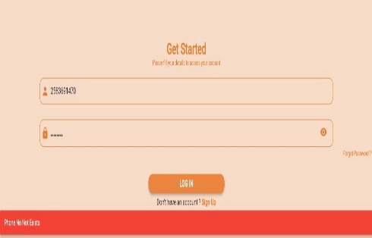 | WEB

 |  |  |  | Enter all valid details and click on login button | mobile no -2583691470 password-12345678 | Phone No. Not exsited popup error msg should be displayed | Red Restro offically page should be displayed

TC_02 | login account with valid details | login | Verify if user is getting "Given mobile no. and password with same details | Open browser and navigate to URL | browser - Chrome URL - https://redrestro.com/login | Get started page should be displayed | Get started page should be displayed | pass |  |  | APP

 |  |  |  | Enter all valid details and click on login button | mobile no -2583691470 password-12345678 | Phone No. Not exsited popup error msg should be displayed | Red Restro offically page should be displayed

TC_03 | Create an account with valid details | Register | Verify if user is able to create an account with valid details | Open browser and navigate to URL | browser - Chrome URL - https://redrestro.com/login | Get started page should be displayed | Get started page should be displayed | fail |  | 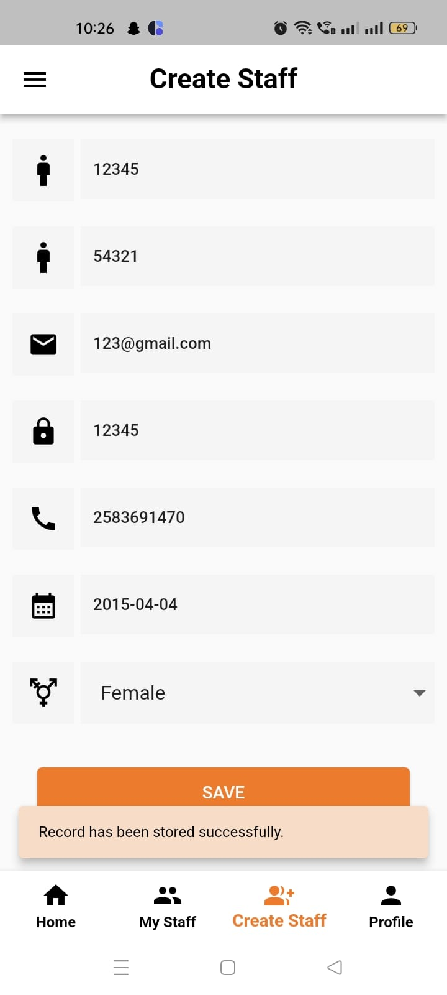 | WEB
 |  |  |  |  | click on signup button | signup page should be displayed | signup page should be displayed
 |  |  |  | Click on signup as a restaurant button | NA | enter your company details to use page should be dispalyed | enter your company details to use page should be dispalyed
 |  |  |  | Enter all valid details | email-123@gmail.com | Successfully registered popup should be displayed | Invalid first Name or Last Name popup message should be dispalyed
 |  |  |  |  | CN-IB
 |  |  |  |  | FN-12345 |  |  |  |  |  | APP
 |  |  |  |  | LN-54321
 |  |  |  |  | PH-2583691470
 |  |  |  |  | PW-12345678
 |  |  |  |  | CAA- surat
 |  |  |  |  | country-india
 |  |  |  |  | state-gujrat
 |  |  |  |  | city-surat
 |  |  |  |  | pincode-123456

TC_04 | CRM and Billing module | login | Verify if user is getting valid detalis
 |  |  |  | Open browser and navigate to URL | browser - Chrome URL - https://redrestro.com/login | Get started page should be displayed | Get started page should be displayed | fail |  |  | APP

 |  |  |  | enter a CRM and Billing modules | NA | successfully CRM and Billing page should be displayed | successfully CRM and Billing page should be displayed
 |  |  |  | click total sale | NA | sale list page should be displayed | sale list page should be displayed
 |  |  |  | click on report options | first date-20/03/2024 | no message show | No list found popup should be displayed
 |  |  |  |  | last date-1/04/2024

TC_05 | CRM and Billing module | login | Verify if user is getting valid detalis
 |  |  |  | Open browser and navigate to URL | browser - Chrome URL - https://redrestro.com/login | Get started page should be displayed | Get started page should be displayed | fail |  |  | APP

 |  |  |  | enter a CRM and Billing modules | NA | successfully CRM and Billing page should be displayed | successfully CRM and Billing page should be displayed
 |  |  |  | click total purchase | NA | purchase list page should be displayed | purchase list page should be displayed
 |  |  |  | click on report options | first date-20/03/2024 | no message show | No list found popup should be displayed
 |  |  |  |  | last date-1/04/2024

TC_06 | CRM and Billing module | login | Verify if user is getting valid detalis
 |  |  |  | Open browser and navigate to URL | browser - Chrome URL - https://redrestro.com/login | Get started page should be displayed | Get started page should be displayed | fail |  |  | APP

 |  |  |  | enter a CRM and Billing modules | NA | successfully CRM and Billing page should be displayed | successfully CRM and Billing page should be displayed
 |  |  |  | click total stock | NA | stock list page should be displayed | stock list page should be displayed
 |  |  |  | click on report options | first date-20/03/2024 | no message show | No list found popup should be displayed
 |  |  |  |  | last date-1/04/2024

TC_07 | CRM and Billing module | login | Verify if user is getting valid detalis
 |  |  |  | Open browser and navigate to URL | browser - Chrome URL - https://redrestro.com/login | Get started page should be displayed | Get started page should be displayed | fail |  | 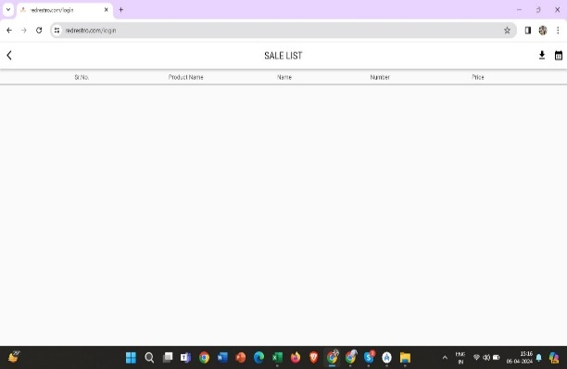 | WEB

 |  |  |  | enter a CRM and Billing modules | NA | successfully CRM and Billing page should be displayed | successfully CRM and Billing page should be displayed
 |  |  |  | click total sale | NA | successfully total sale page should be displayed | successfully total sale page should be displayed
 |  |  |  | click on report options | first date-20/03/2024 | no message show | No list found popup should be displayed
 |  |  |  |  | last date-1/04/2024

TC_08 | CRM and Billing module | login | Verify if user is getting valid detalis
 |  |  |  | Open browser and navigate to URL | browser - Chrome URL - https://redrestro.com/login | Get started page should be displayed | Get started page should be displayed | fail |  |  | WEB

 |  |  |  | enter a CRM and Billing modules | NA | successfully CRM and Billing page should be displayed | successfully CRM and Billing page should be displayed
 |  |  |  | click total purchase | NA | successfully total purchase page should be displayed | successfully total purchase page should be displayed
 |  |  |  | click on report options | first date-20/03/2024 | no message show | No list found popup should be displayed
 |  |  |  |  | last date-1/04/2024

TC_09 | CRM and Billing module | login | Verify if user is getting valid detalis
 |  |  |  | Open browser and navigate to URL | browser - Chrome URL - https://redrestro.com/login | Get started page should be displayed | Get started page should be displayed | fail |  | 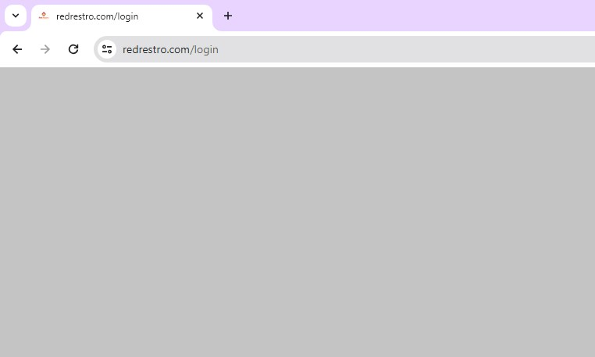 | WEB

 |  |  |  | enter a CRM and Billing modules | NA | successfully CRM and Billing page should be displayed | successfully CRM and Billing page should be displayed
 |  |  |  | click total stock | NA | blank page should be displayed | successfully total stock page should be displayed
 |  |  |  | click on report options | first date-20/03/2024 | no message show | No list found popup should be displayed
 |  |  |  |  | last date-1/04/2024

TC_10 | Three Dot Module | login | Verify if user is getting valid detalis
 |  |  |  | Open browser and navigate to URL | browser - Chrome URL - https://redrestro.com/login | Get started page should be displayed | Get started page should be displayed | Pass |  | 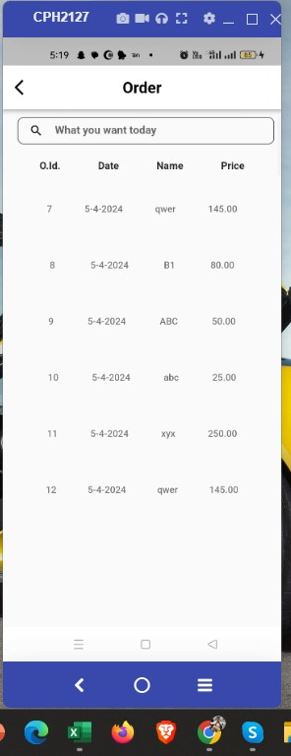 | APP

 |  |  |  | enter a CRM and Billing modules | NA | successfully CRM and Billing page should be displayed | successfully CRM and Billing page should be displayed
 |  |  |  | click three dots button | NA | shop owner page should be displayed | shop owner page should be displayed
 |  |  |  | click on Order | NA | Order list page should be displayed | Order list page should be displayed

TC_11 | Three Dot Module | login | Verify if user is getting valid detalis
 |  |  |  | Open browser and navigate to URL | browser - Chrome URL - https://redrestro.com/login | Get started page should be displayed | Get started page should be displayed | Pass |  | 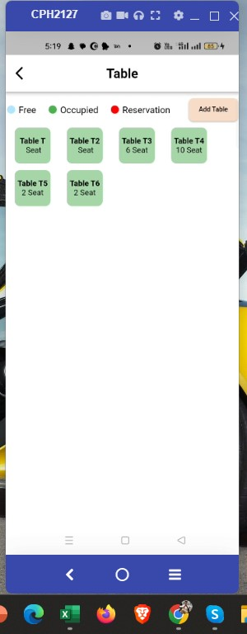 | APP

 |  |  |  | enter a CRM and Billing modules | NA | successfully CRM and Billing page should be displayed | successfully CRM and Billing page should be displayed
 |  |  |  | click three dots button | NA | shop owner page should be displayed | shop owner page should be displayed
 |  |  |  | click on Table | NA | Table page should be displayed | Table page should be displayed

TC_12 | Three Dot Module | login | Verify if user is getting valid detalis
 |  |  |  | Open browser and navigate to URL | browser - Chrome URL - https://redrestro.com/login | Get started page should be displayed | Get started page should be displayed | Pass |  | 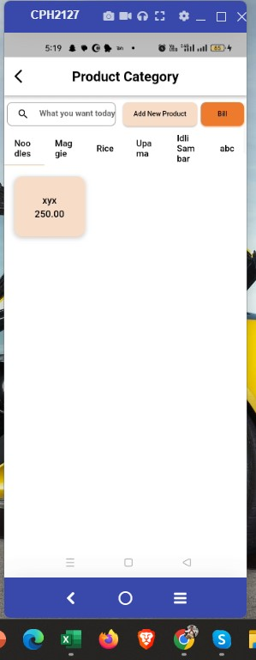 | APP

 |  |  |  | enter a CRM and Billing modules | NA | successfully CRM and Billing page should be displayed | successfully CRM and Billing page should be displayed
 |  |  |  | click three dots button | NA | shop owner page should be displayed | shop owner page should be displayed
 |  |  |  | click on Menu | NA | product category page should be displayed | product category page should be displayed

TC_13 | Three Dot Module | login | Verify if user is getting valid detalis
 |  |  |  | Open browser and navigate to URL | browser - Chrome URL - https://redrestro.com/login | Get started page should be displayed | Get started page should be displayed | fail |  | 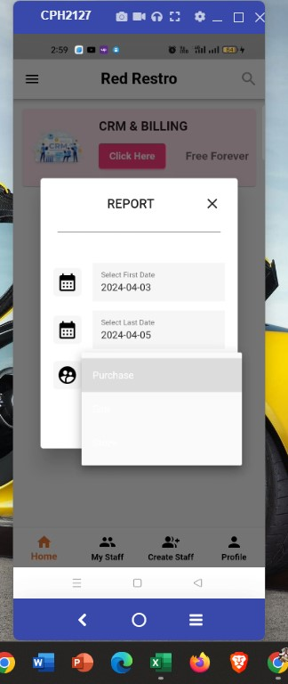 | APP

 |  |  |  | enter a CRM and Billing modules | NA | successfully CRM and Billing page should be displayed | successfully CRM and Billing page should be displayed
 |  |  |  | click three dots button | NA | shop owner page should be displayed | shop owner page should be displayed
 |  |  |  | click on Report | First Date- | not Show category | Show the category

 |  |  |  |  | Last Date-
 |  |  |  |  | Select Category-
 |  |  | Date- 6 April 2024
TC_14 | Three Dot Module | login | Verify if user is getting valid detalis
 |  |  |  | Open browser and navigate to URL | browser - Chrome URL - https://redrestro.com/login | Get started page should be displayed | Get started page should be displayed | fail |  | 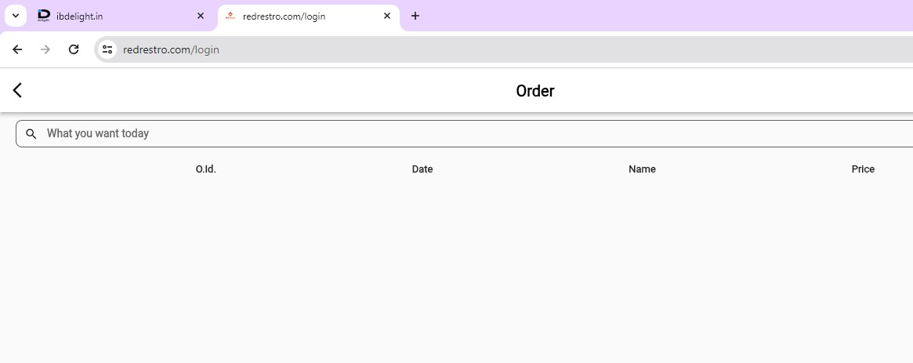 | WEB

 |  |  |  | enter a CRM and Billing modules | NA | successfully CRM and Billing page should be displayed | successfully CRM and Billing page should be displayed
 |  |  |  | click three dots button | NA | shop owner page should be displayed | shop owner page should be displayed
 |  |  |  | click on Order | NA | Order list not show should be displayed | Order list page should be displayed

TC_11 | Three Dot Module | login | Verify if user is getting valid detalis
 |  |  |  | Open browser and navigate to URL | browser - Chrome URL - https://redrestro.com/login | Get started page should be displayed | Get started page should be displayed | fail |  |  | WEB

 |  |  |  | enter a CRM and Billing modules | NA | successfully CRM and Billing page should be displayed | successfully CRM and Billing page should be displayed
 |  |  |  | click three dots button | NA | shop owner page should be displayed | shop owner page should be displayed
 |  |  |  | click on Table | NA | All Table not show page should be displayed | Table page should be displayed

TC_12 | Three Dot Module | login | Verify if user is getting valid detalis
 |  |  |  | Open browser and navigate to URL | browser - Chrome URL - https://redrestro.com/login | Get started page should be displayed | Get started page should be displayed | fail |  | 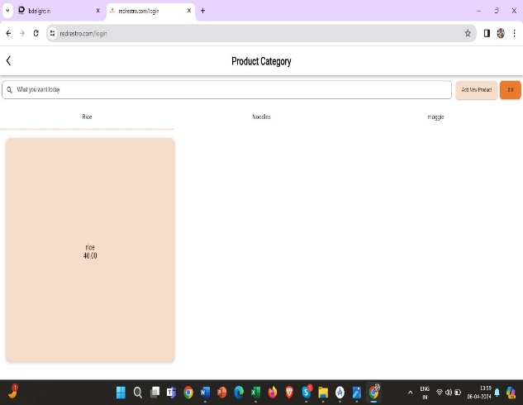 | WEB

 |  |  |  | enter a CRM and Billing modules | NA | successfully CRM and Billing page should be displayed | successfully CRM and Billing page should be displayed
 |  |  |  | click three dots button | NA | shop owner page should be displayed | shop owner page should be displayed
 |  |  |  | click on Menu | NA | some product category not show should be displayed | product category page should be displayed

